PERT-CPM-1
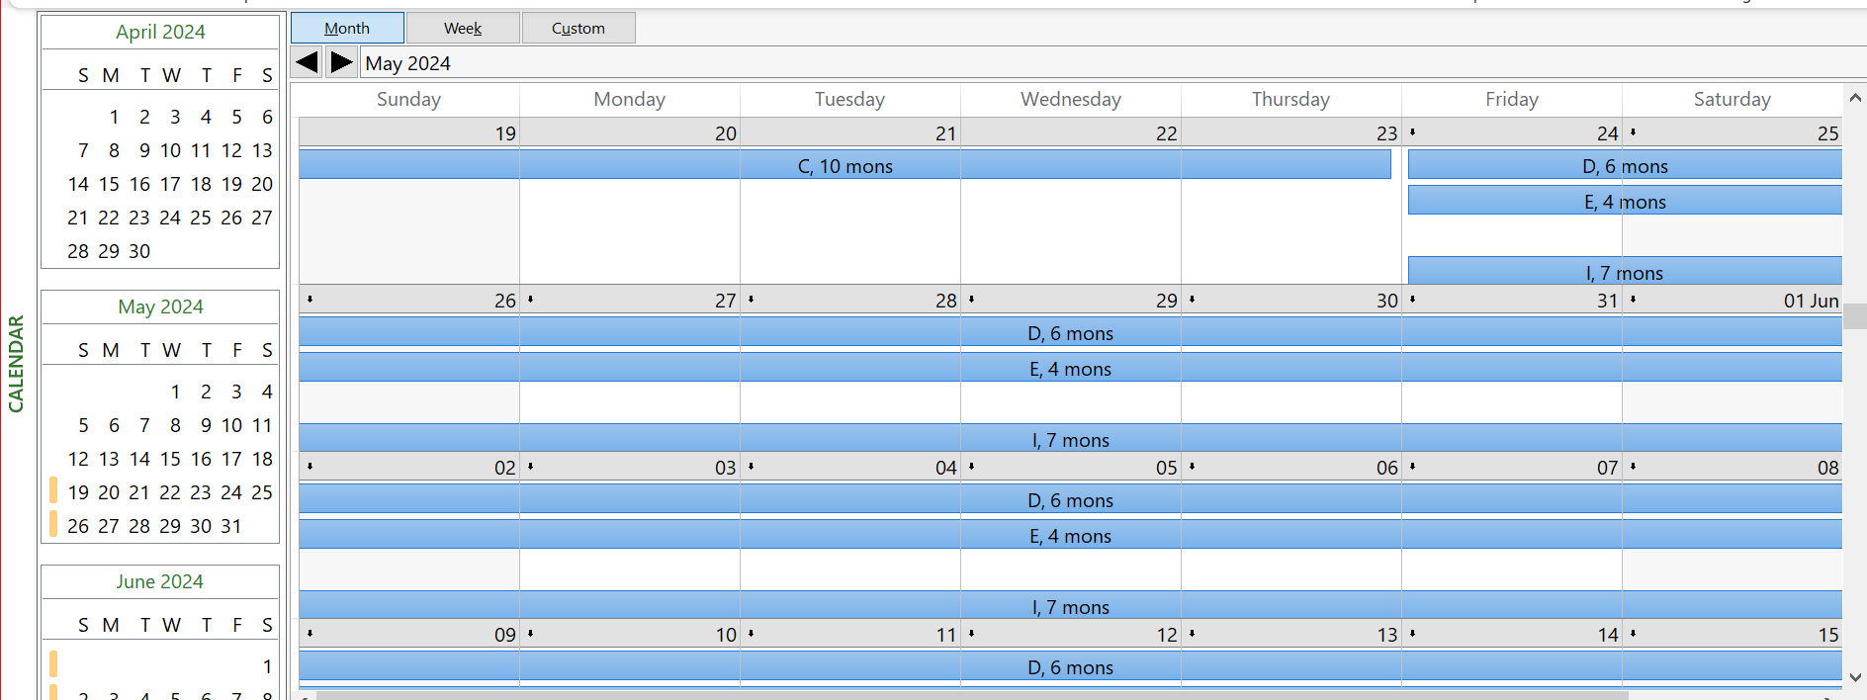
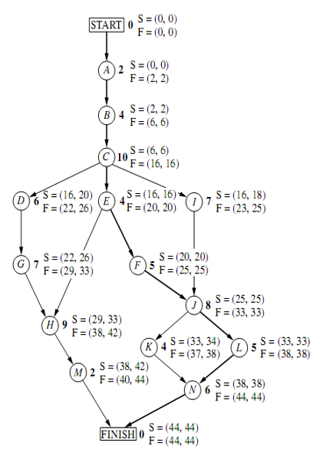
 | Time Estimates
Activity | O | M | P | PERT | VARIANCE | CP | PERT | 44
START | 0 | 0 | 0 | 0 | 0.0000 | * | VAR | 9
A | 1 | 2 | 3 | 2 | 0.1111 | * | DEADLINE | 47
B | 2 | 3.5 | 8 | 4 | 1.0000 | * | PROBABILITY | 0.84134474607
C | 6 | 9 | 18 | 10 | 4.0000 | * |  | 84.13%
D | 4 | 5.5 | 10 | 6 | 1.0000
E | 1 | 4.5 | 5 | 4 | 0.4444 | *
F | 4 | 4 | 10 | 5 | 1.0000 | *
G | 5 | 6.5 | 11 | 7 | 1.0000
H | 5 | 8 | 17 | 9 | 4.0000
I | 3 | 7.5 | 9 | 7 | 1.0000
J | 3 | 9 | 9 | 8 | 1.0000 | *
K | 4 | 4 | 4 | 4 | 0.0000
L | 1 | 5.5 | 7 | 5 | 1.0000 | *
M | 1 | 2 | 3 | 2 | 0.1111
N | 5 | 5.5 | 9 | 6 | 0.4444 | *
FINISH | 0 | 0 | 0 | 0 | 0.0000 | *

PERT-CPM-2
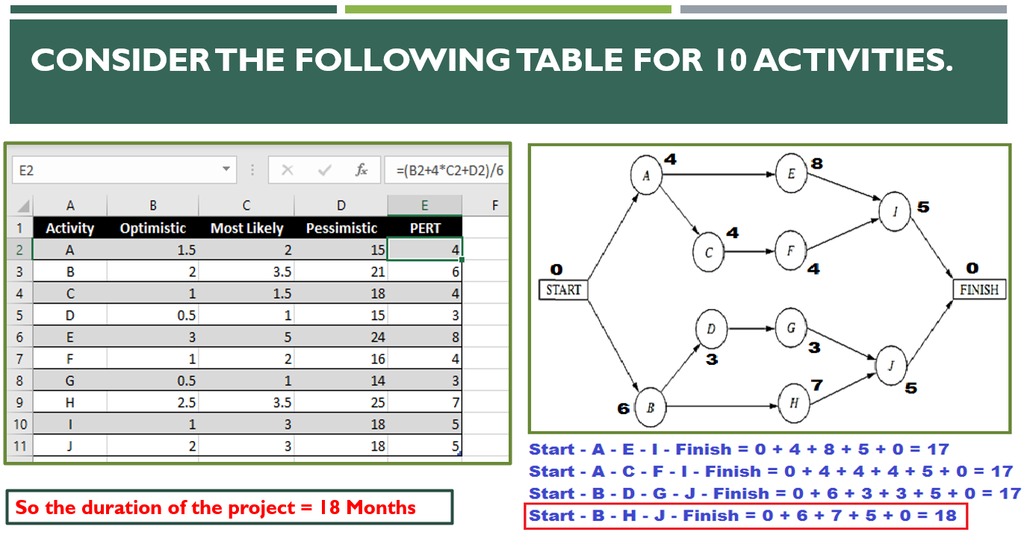
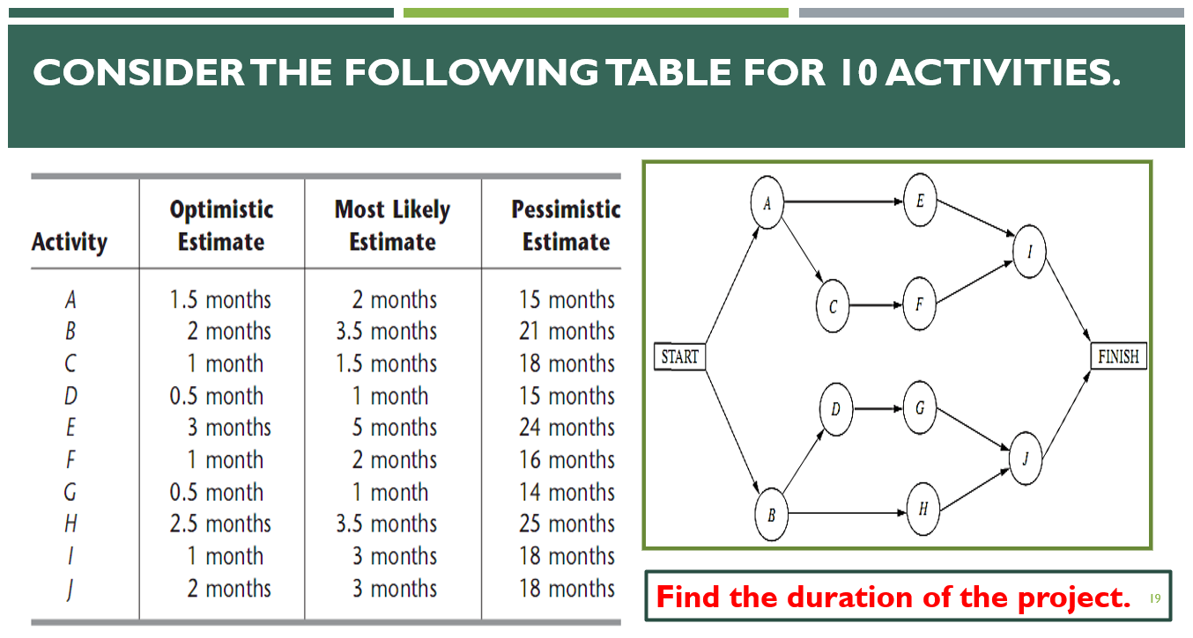
 | Estimated Durations
Activity | O | M | P | PERT | PERT-Copy | PERT_Round | PERT-Ceil | PERT-Floor | Variance
Start | 0 | 0 | 0 | 0.0000 | 0.0000 | 0 | 0 | 0 | 0.0000
A | 1.5 | 2 | 15 | 4.0833 | 4.0833 | 4 | 5 | 4 | 5.0625
B | 2 | 3.5 | 21 | 6.1667 | 6.1667 | 6 | 7 | 6 | 10.0278
C | 1 | 1.5 | 18 | 4.1667 | 4.1667 | 4 | 5 | 4 | 8.0278
D | 0.5 | 1 | 15 | 3.2500 | 3.2500 | 3 | 4 | 3 | 5.8403
E | 3 | 5 | 24 | 7.8333 | 7.8333 | 8 | 8 | 7 | 12.2500
F | 1 | 2 | 16 | 4.1667 | 4.1667 | 4 | 5 | 4 | 6.2500
G | 0.5 | 1 | 14 | 3.0833 | 3.0833 | 3 | 4 | 3 | 5.0625
H | 2.5 | 3.5 | 25 | 6.9167 | 6.9167 | 7 | 7 | 6 | 14.0625
I | 1 | 3 | 18 | 5.1667 | 5.1667 | 5 | 6 | 5 | 8.0278
J | 2 | 3 | 18 | 5.3333 | 5.3333 | 5 | 6 | 5 | 7.1111
Finish | 0 | 0 | 0 | 0.0000 | 0.0000 | 0 | 0 | 0 | 0.0000

